Daily Power Station Chart_14-01
Plant_27/07/2025Chart

Plant:odco1 |  |  | Installed Capacity:111.180kWp
Today Yield(kWh):627.700kWh |  | Today Earning:251080.000TND |  | Today Full Load Hours(h):5.65h

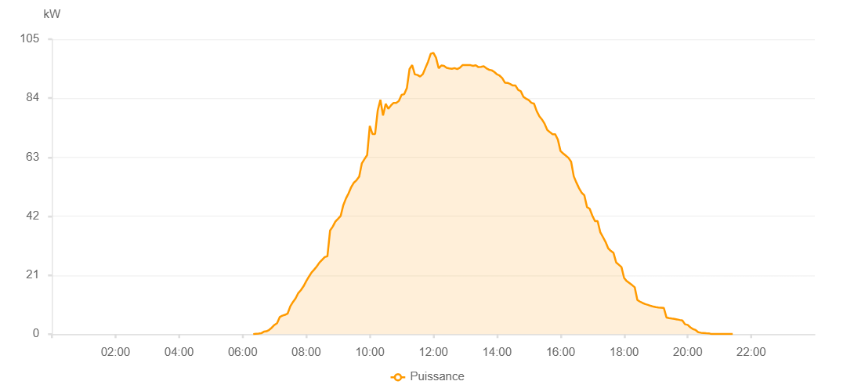

Number | Time | Working State | PV(W) | Instantaneous Radiation(W/㎡)
1 | 06:20:00 | Online | 20.00000 | 0
2 | 06:25:00 | Online | 110.00000 | 0
3 | 06:30:00 | Online | 200.00000 | 0
4 | 06:35:00 | Online | 320.00000 | 1.00000
5 | 06:40:00 | Online | 880.00000 | 5.00000
6 | 06:45:00 | Online | 1040.00000 | 9.00000
7 | 06:50:00 | Online | 1520.00000 | 13.00000
8 | 06:55:00 | Online | 2320.00000 | 18.00000
9 | 07:00:00 | Online | 3280.00000 | 25.00000
10 | 07:05:00 | Online | 3890.00000 | 43.00000
11 | 07:10:00 | Online | 6100.00000 | 56.00000
12 | 07:15:00 | Online | 6600.00000 | 67.00000
13 | 07:20:00 | Online | 6900.00000 | 79.00000
14 | 07:25:00 | Online | 7380.00000 | 84.00000
15 | 07:30:00 | Online | 9940.00000 | 103.00000
16 | 07:35:00 | Online | 11470.00000 | 124.00000
17 | 07:40:00 | Online | 12770.00000 | 141.00000
18 | 07:45:00 | Online | 14640.00000 | 157.00000
19 | 07:50:00 | Online | 15690.00000 | 179.00000
20 | 07:55:00 | Online | 17080.00000 | 197.00000
21 | 08:00:00 | Online | 18860.00000 | 212.00000
22 | 08:05:00 | Online | 20450.00000 | 235.00000
23 | 08:10:00 | Online | 21930.00000 | 255.00000
24 | 08:15:00 | Online | 22980.00000 | 283.00000
25 | 08:20:00 | Online | 24150.00000 | 298.00000
26 | 08:25:00 | Online | 25500.00000 | 321.00000
27 | 08:30:00 | Online | 26470.00000 | 349.00000
28 | 08:35:00 | Online | 27450.00000 | 368.00000
29 | 08:40:00 | Online | 27730.00000 | 382.00000
30 | 08:45:00 | Online | 36890.00000 | 391.00000
31 | 08:50:00 | Online | 38270.00000 | 413.00000
32 | 08:55:00 | Online | 40100.00000 | 430.00000
33 | 09:00:00 | Online | 41080.00000 | 454.00000
34 | 09:05:00 | Online | 42090.00000 | 475.00000
35 | 09:10:00 | Online | 45930.00000 | 494.00000
36 | 09:15:00 | Online | 48310.00000 | 508.00000
37 | 09:20:00 | Online | 50160.00000 | 526.00000
38 | 09:25:00 | Online | 52380.00000 | 544.00000
39 | 09:30:00 | Online | 53940.00000 | 566.00000
40 | 09:35:00 | Online | 54810.00000 | 584.00000
41 | 09:40:00 | Online | 56090.00000 | 598.00000
42 | 09:45:00 | Online | 60820.00000 | 623.00000
43 | 09:50:00 | Online | 62350.00000 | 649.00000
44 | 09:55:00 | Online | 63780.00000 | 664.00000
45 | 10:00:00 | Online | 74160.00000 | 700.00000
46 | 10:05:00 | Online | 71240.00000 | 768.00000
47 | 10:10:00 | Online | 71240.00000 | 795.00000
48 | 10:15:00 | Online | 79690.00000 | 590.00000
49 | 10:20:00 | Online | 83440.00000 | 665.00000
50 | 10:25:00 | Online | 77840.00000 | 766.00000
51 | 10:30:00 | Online | 82000.00000 | 790.00000
52 | 10:35:00 | Online | 80230.00000 | 818.00000
53 | 10:40:00 | Online | 81440.00000 | 795.00000
54 | 10:45:00 | Online | 82340.00000 | 814.00000
55 | 10:50:00 | Online | 82310.00000 | 815.00000
56 | 10:55:00 | Online | 83060.00000 | 809.00000
57 | 11:00:00 | Online | 85210.00000 | 828.00000
58 | 11:05:00 | Online | 85440.00000 | 870.00000
59 | 11:10:00 | Online | 87640.00000 | 886.00000
60 | 11:15:00 | Online | 94400.00000 | 923.00000
61 | 11:20:00 | Online | 95770.00000 | 942.00000
62 | 11:25:00 | Online | 92480.00000 | 956.00000
63 | 11:30:00 | Online | 92260.00000 | 909.00000
64 | 11:35:00 | Online | 91700.00000 | 912.00000
65 | 11:40:00 | Online | 92530.00000 | 912.00000
66 | 11:45:00 | Online | 94780.00000 | 927.00000
67 | 11:50:00 | Online | 97000.00000 | 955.00000
68 | 11:55:00 | Online | 99780.00000 | 978.00000
69 | 12:00:00 | Online | 100170.00000 | 1004.00000
70 | 12:05:00 | Online | 98400.00000 | 996.00000
71 | 12:10:00 | Online | 94660.00000 | 981.00000
72 | 12:15:00 | Online | 95640.00000 | 960.00000
73 | 12:20:00 | Online | 95510.00000 | 957.00000
74 | 12:25:00 | Online | 94800.00000 | 957.00000
75 | 12:30:00 | Online | 94620.00000 | 943.00000
76 | 12:35:00 | Online | 94460.00000 | 950.00000
77 | 12:40:00 | Online | 94700.00000 | 950.00000
78 | 12:45:00 | Online | 94360.00000 | 957.00000
79 | 12:50:00 | Online | 94870.00000 | 960.00000
80 | 12:55:00 | Online | 95770.00000 | 960.00000
81 | 13:00:00 | Online | 95810.00000 | 964.00000
82 | 13:05:00 | Online | 95760.00000 | 964.00000
83 | 13:10:00 | Online | 95760.00000 | 958.00000
84 | 13:15:00 | Online | 95510.00000 | 953.00000
85 | 13:20:00 | Online | 95710.00000 | 954.00000
86 | 13:25:00 | Online | 95060.00000 | 952.00000
87 | 13:30:00 | Online | 95190.00000 | 944.00000
88 | 13:35:00 | Online | 95350.00000 | 949.00000
89 | 13:40:00 | Online | 94660.00000 | 944.00000
90 | 13:45:00 | Online | 94140.00000 | 943.00000
91 | 13:50:00 | Online | 93940.00000 | 938.00000
92 | 13:55:00 | Online | 93330.00000 | 933.00000
93 | 14:00:00 | Online | 92510.00000 | 922.00000
94 | 14:05:00 | Online | 92030.00000 | 920.00000
95 | 14:10:00 | Online | 91170.00000 | 908.00000
96 | 14:15:00 | Online | 89540.00000 | 904.00000
97 | 14:20:00 | Online | 89450.00000 | 894.00000
98 | 14:25:00 | Online | 89040.00000 | 886.00000
99 | 14:30:00 | Online | 88510.00000 | 874.00000
100 | 14:35:00 | Online | 88510.00000 | 870.00000
101 | 14:40:00 | Online | 86940.00000 | 860.00000
102 | 14:45:00 | Online | 86480.00000 | 846.00000
103 | 14:50:00 | Online | 84500.00000 | 837.00000
104 | 14:55:00 | Online | 83830.00000 | 826.00000
105 | 15:00:00 | Online | 83340.00000 | 815.00000
106 | 15:05:00 | Online | 82360.00000 | 800.00000
107 | 15:10:00 | Online | 82040.00000 | 790.00000
108 | 15:15:00 | Online | 79420.00000 | 777.00000
109 | 15:20:00 | Online | 77570.00000 | 764.00000
110 | 15:25:00 | Online | 76410.00000 | 754.00000
111 | 15:30:00 | Online | 74880.00000 | 736.00000
112 | 15:35:00 | Online | 72690.00000 | 723.00000
113 | 15:40:00 | Online | 71900.00000 | 706.00000
114 | 15:45:00 | Online | 71170.00000 | 692.00000
115 | 15:50:00 | Online | 71170.00000 | 678.00000
116 | 15:55:00 | Online | 69250.00000 | 658.00000
117 | 16:00:00 | Online | 65200.00000 | 643.00000
118 | 16:05:00 | Online | 64330.00000 | 627.00000
119 | 16:10:00 | Online | 63570.00000 | 613.00000
120 | 16:15:00 | Online | 62760.00000 | 595.00000
121 | 16:20:00 | Online | 61400.00000 | 577.00000
122 | 16:25:00 | Online | 56200.00000 | 558.00000
123 | 16:30:00 | Online | 53960.00000 | 542.00000
124 | 16:35:00 | Online | 51950.00000 | 521.00000
125 | 16:40:00 | Online | 50360.00000 | 503.00000
126 | 16:45:00 | Online | 49400.00000 | 484.00000
127 | 16:50:00 | Online | 45240.00000 | 466.00000
128 | 16:55:00 | Online | 44660.00000 | 446.00000
129 | 17:00:00 | Online | 42230.00000 | 428.00000
130 | 17:05:00 | Online | 40250.00000 | 410.00000
131 | 17:10:00 | Online | 40250.00000 | 390.00000
132 | 17:15:00 | Online | 36330.00000 | 369.00000
133 | 17:20:00 | Online | 34600.00000 | 349.00000
134 | 17:25:00 | Online | 32850.00000 | 328.00000
135 | 17:30:00 | Online | 30560.00000 | 311.00000
136 | 17:35:00 | Online | 29620.00000 | 289.00000
137 | 17:40:00 | Online | 28920.00000 | 268.00000
138 | 17:45:00 | Online | 25550.00000 | 250.00000
139 | 17:50:00 | Online | 24740.00000 | 229.00000
140 | 17:55:00 | Online | 23890.00000 | 58.00000
141 | 18:00:00 | Online | 20020.00000 | 190.00000
142 | 18:05:00 | Online | 18880.00000 | 170.00000
143 | 18:10:00 | Online | 18190.00000 | 152.00000
144 | 18:15:00 | Online | 17480.00000 | 136.00000
145 | 18:20:00 | Online | 16710.00000 | 121.00000
146 | 18:25:00 | Online | 12180.00000 | 105.00000
147 | 18:30:00 | Online | 11580.00000 | 91.00000
148 | 18:35:00 | Online | 11100.00000 | 78.00000
149 | 18:40:00 | Online | 10700.00000 | 67.00000
150 | 18:45:00 | Online | 10440.00000 | 56.00000
151 | 18:50:00 | Online | 10100.00000 | 48.00000
152 | 18:55:00 | Online | 9810.00000 | 47.00000
153 | 19:00:00 | Online | 9620.00000 | 45.00000
154 | 19:05:00 | Online | 9520.00000 | 43.00000
155 | 19:10:00 | Online | 9450.00000 | 42.00000
156 | 19:15:00 | Online | 9360.00000 | 41.00000
157 | 19:20:00 | Online | 5950.00000 | 40.00000
158 | 19:25:00 | Online | 5730.00000 | 38.00000
159 | 19:30:00 | Online | 5570.00000 | 36.00000
160 | 19:35:00 | Online | 5430.00000 | 35.00000
161 | 19:40:00 | Online | 5260.00000 | 33.00000
162 | 19:45:00 | Online | 5060.00000 | 29.00000
163 | 19:50:00 | Online | 4870.00000 | 27.00000
164 | 19:55:00 | Online | 3520.00000 | 25.00000
165 | 20:00:00 | Online | 3320.00000 | 23.00000
166 | 20:05:00 | Online | 2450.00000 | 20.00000
167 | 20:10:00 | Online | 1810.00000 | 17.00000
168 | 20:15:00 | Online | 1490.00000 | 13.00000
169 | 20:20:00 | Online | 720.00000 | 11.00000
170 | 20:25:00 | Online | 520.00000 | 9.00000
171 | 20:30:00 | Online | 430.00000 | 5.00000
172 | 20:35:00 | Online | 340.00000 | 4.00000
173 | 20:40:00 | Online | 310.00000 | 1.00000
174 | 20:45:00 | Online | 40.00000 | 1.00000
175 | 20:50:00 | Online | 40.00000 | 0
176 | 20:55:00 | Online | 40.00000 | 0
177 | 21:00:00 | Online | 40.00000 | 0
178 | 21:05:00 | Online | 40.00000 | 0
179 | 21:10:00 | Online | 40.00000 | 0
180 | 21:15:00 | Online | 40.00000 | 0
181 | 21:20:00 | Online | 40.00000 | 0
182 | 21:25:00 | Online | 40.00000 | 0
183 | 21:45:00 | Online | 0.00001 | 0.00001

